Roster
Mighty Hawks Team Roster

 | NAME |  | POSITION | PHONE | EMAIL
 | Jack Coachguy |  | Coach | (000) 123-4567 | username@somwhere.com
 | Sue Helper |  | Assistant Coach | (000) 123-4567 | username@somwhere.com
 | Blog |  | Team Manager | (000) 123-4567 | username@somwhere.com
 |  |  | Line Referee
 |  |  | Referee
 |  |  |  |  |  |  | (image from clipart)

 | Team # | Colors | Practices |  | Location | League / Team Website
 | 32106 | Blue | M, W, F | 5:00 - 5:45 pm | Someplace School | URL of league or team website

Player Roster
# | FIRST Name | LAST Name | LINE UP Name | PHONE | EMAIL | PARENTS GUARDIANS | NOTES
1 | Joe | Cool | Joe C | (000) 123-4567 | username@somwhere.com | Guy and Gal Soccerparent | Allergic to oranges
2 | Amy | Swift | Amy S | (000) 123-4567 (000) 765-4321 | bob@doolittle.com amelia@flyinglessons.com | Bob Doolittle Amelia Doolittle
3
4
5
6
7
8
9
10
11
12
13
14
15
16

Game Schedule
# | PLAYING | DATE | HOME / AWAY | TIME (ARRIVE) | LOCATION | SNACK | NOTES
 | The Giants | 2/16/12 | Home | 9:00am (8:30) | Somewhere Park | Joe Cool

Lineup
[Team Name] | Home | vs. |  |  | Date: |  |  | Master List
 |  |  |  |  |  |  |  | # | Player | Qtr 1 | Qtr 2 | Qtr 3 | Qtr 4
 |  |  | Qtr 1 |  |  | Qtr 2 |  | 1 | Player1 | LG | Bench | LG | Bench
 |  |  | Name | Pos |  | Name | Pos | 2 | Player2 | RG | Bench | RG | Bench
 |  |  | Player1 | LG |  | Player6 | LG | 3 | Player3 | C | Bench | C | Bench
 |  |  | Player2 | RG |  | Player7 | RG | 4 | Player4 | LF | Bench | LF | Bench
 |  |  | Player3 | C |  | Player8 | C | 5 | Player5 | RF | Bench | RF | Bench
 |  |  | Player4 | LF |  | Player9 | LF | 6 | Player6 | Bench | LG | Bench | LG
 |  |  | Player5 | RF |  | Player10 | RF | 7 | Player7 | Bench | RG | Bench | RG
 |  |  | Player6 | Bench |  | Player1 | Bench | 8 | Player8 | Bench | C | Bench | C
 |  |  | Player7 | Bench |  | Player2 | Bench | 9 | Player9 | Bench | LF | Bench | LF
 |  |  | Player8 | Bench |  | Player3 | Bench | 10 | Player10 | Bench | RF | Bench | RF
 |  |  | Player9 | Bench |  | Player4 | Bench | 11 | Player11 | Absent | Absent | Absent | Absent
 |  |  | Player10 | Bench |  | Player5 | Bench | 12 | Player12 | Absent | Absent | Absent | Absent
 |  |  | Player11 | Absent |  | Player11 | Absent
 |  |  | Player12 | Absent |  | Player12 | Absent

Initial Setup
Step 1: Edit the Master List
- Enter the player names into the master list. This will update the drop-down lists with the names of your players.
Step 2: Choose a Formation and Update Labels
- Enter the names of the positions in the range G5:G22, based on your # of players and desired formation. As you do so, you'll see the text boxes in the visual lineup change.
- Move the text boxes into the correct position based on your labels and formations. Move both the label ("F1", "F2", etc.) and the object that contains the player name that is next to the label.
- To correct the reference for an object, ungroup the object, then click on the object, then press "=" and then select the cell you want it to reference.
Creating a Lineup
Step 1: Make a copy of this worksheet for each game. Right-click on the worksheet tab > Move or Copy...
Step 2: Assign players to positions. Don't edit the positions. Choose the name of the player for each position from the drop-down box in columns F and M.
Step 3: Review the Master List lineup table to verify that everyone plays.
Step 4: Cells with pink backgrounds indicate that you have an error in your lineup (a player assigned to more than one position for example)
Note: The "#N/A" error in Master List table indicates that the player has not been assigned a position.
Player1
LG
Player2
RG
Player6
LG
Player7
RG

Player3
C
Player8
C
Player9
LF
Player4
LF
Player5
RF
Player10
RF

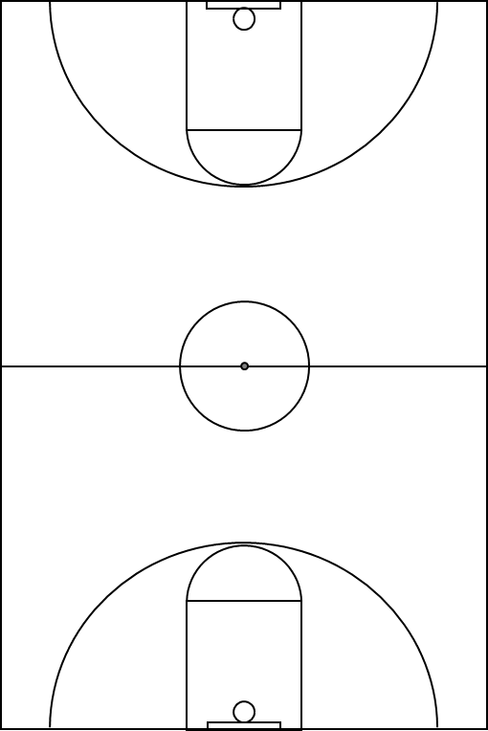
 |  |  | Qtr 3 |  |  | Qtr 4
 |  |  | Name | Pos |  | Name | Pos
 |  |  | Player1 | LG |  | Player6 | LG
 |  |  | Player2 | RG |  | Player7 | RG
 |  |  | Player3 | C |  | Player8 | C
 |  |  | Player4 | LF |  | Player9 | LF
 |  |  | Player5 | RF |  | Player10 | RF
 |  |  | Player6 | Bench |  | Player1 | Bench
 |  |  | Player7 | Bench |  | Player2 | Bench
 |  |  | Player8 | Bench |  | Player3 | Bench
 |  |  | Player9 | Bench |  | Player4 | Bench
 |  |  | Player10 | Bench |  | Player5 | Bench
 |  |  | Player11 | Absent |  | Player11 | Absent
 |  |  | Player12 | Absent |  | Player12 | Absent

Player10
RF
Player1
LG
Player2
RG
Player9
LF

Player3
C
Player8
C

Player4
LF
Player5
RF
Player6
LG
Player7
RG

Stats Summary
 |  | [Enter Team Name]
 |  | Player Statistics

Legend: FGM(Field Goals Made), FGA(Field Goal Attempts), 3PM(3 Pointer Made), 3PA(3 Pointer Attempts), FTM(Free Throw Made), FTA(Free Throw Attempt, R(Rebounds), A(Assists), S(Steals), B(Blocks), PTS(Points)

 |  |  |  |  |  |  |  |  |  |  |  |  |  |  |  | [Date] |  |  |  |  |  |  |  |  |  |  | [Date] |  |  |  |  |  |  |  |  |  |  | [Date]
 |  |  |  |  |  |  |  |  |  |  |  |  |  |  |  | [Enter Team Name] |  |  |  |  |  |  |  |  | [Pts] |  | [Enter Team Name] |  |  |  |  |  |  |  |  | [Pts] |  | [Enter Team Name] |  |  |  |  |  |  |  |  | [Pts]
 |  |  |  |  |  |  |  |  |  |  |  |  |  |  |  | [Opponent] |  |  |  |  |  |  |  |  | [Pts] |  | [Opponent] |  |  |  |  |  |  |  |  | [Pts] |  | [Opponent] |  |  |  |  |  |  |  |  | [Pts]
 |  | SEASON TOTALS
# | Player | FGM | FGA | FG% | 3PM | 3PA | 3P% | FTM | FTA | FT% | R | A | S | B | PTS | FGM | FGA | 3PM | 3PA | FTM | FTA | R | A | S | B | PTS | FGM | FGA | 3PM | 3PA | FTM | FTA | R | A | S | B | PTS | FGM | FGA | 3PM | 3PA | FTM | FTA | R | A | S | B | PTS
 |  | 0 | 0 | -% | 0 | 0 | -% | 0 | 0 | -% | 0 | 0 | 0 | 0 | 0
 |  | 0 | 0 | -% | 0 | 0 | -% | 0 | 0 | -% | 0 | 0 | 0 | 0 | 0
 |  | 0 | 0 | -% | 0 | 0 | -% | 0 | 0 | -% | 0 | 0 | 0 | 0 | 0
 |  | 0 | 0 | -% | 0 | 0 | -% | 0 | 0 | -% | 0 | 0 | 0 | 0 | 0
 |  | 0 | 0 | -% | 0 | 0 | -% | 0 | 0 | -% | 0 | 0 | 0 | 0 | 0
 |  | 0 | 0 | -% | 0 | 0 | -% | 0 | 0 | -% | 0 | 0 | 0 | 0 | 0
 |  | 0 | 0 | -% | 0 | 0 | -% | 0 | 0 | -% | 0 | 0 | 0 | 0 | 0
 |  | 0 | 0 | -% | 0 | 0 | -% | 0 | 0 | -% | 0 | 0 | 0 | 0 | 0
 |  | 0 | 0 | -% | 0 | 0 | -% | 0 | 0 | -% | 0 | 0 | 0 | 0 | 0
 |  | 0 | 0 | -% | 0 | 0 | -% | 0 | 0 | -% | 0 | 0 | 0 | 0 | 0
 |  | 0 | 0 | -% | 0 | 0 | -% | 0 | 0 | -% | 0 | 0 | 0 | 0 | 0
 |  | 0 | 0 | -% | 0 | 0 | -% | 0 | 0 | -% | 0 | 0 | 0 | 0 | 0
 |  | 0 | 0 | -% | 0 | 0 | -% | 0 | 0 | -% | 0 | 0 | 0 | 0 | 0
 |  | 0 | 0 | -% | 0 | 0 | -% | 0 | 0 | -% | 0 | 0 | 0 | 0 | 0
 |  | 0 | 0 | -% | 0 | 0 | -% | 0 | 0 | -% | 0 | 0 | 0 | 0 | 0
 |  | 0 | 0 | -% | 0 | 0 | -% | 0 | 0 | -% | 0 | 0 | 0 | 0 | 0
 |  | 0 | 0 | -% | 0 | 0 | -% | 0 | 0 | -% | 0 | 0 | 0 | 0 | 0
 |  | 0 | 0 | -% | 0 | 0 | -% | 0 | 0 | -% | 0 | 0 | 0 | 0 | 0

Use Freeze Panes, Split Screen, or Hide columns of older games to make it easier to enter data for the next game.
The Q column is blank to make it easier to copy columns R:AB when entering data for a new game. Inserting new games to the right of column Q rather than appending new games to the right of the entire table can make it easier to enter data without the need for freeze panes or split screen.
Use the Stats Worksheet to collect stats during the games.

Stats Worksheet
This is a printable worksheet designed for taking stats at a game. Give this to an assistant coach or someone you've designated as the team statistician.
First, add the player names and numbers to the Statistics worksheet. Then, print multiple copies of this worksheet.
After each game, enter the stats into the Stats Summary worksheet.
 |  |  | [Enter Team Name]
 |  |  | Game Statistics

 |  | Date: |  |  |  |  |  |  |  |  |  |  | Halftime Score |  |  |  | Final Score
 |  | Opponent: |  |  |  |  |  |  |  |  |  | Us: |  |  |  | Us:
 |  | Team #: |  |  |  |  |  |  |  |  |  | Them: |  |  |  | Them:

 |  | Team Fouls |  |  |  |  |  | Bonus |  |  | Double |  |  |  |  | Time Outs
1st Half |  | 1 | 2 | 3 | 4 | 5 | 6 | 7 | 8 | 9 | 10 | + |  |  |  | 1 | 2 | 3
2nd Half |  | 1 | 2 | 3 | 4 | 5 | 6 | 7 | 8 | 9 | 10 | + |  |  |  | :30 | :30

# | Player |  |  |  |  | Fouls |  |  | Field Goals |  |  |  | 3 Pts |  | Free Throws |  |  |  | Rebounds | Assists | Steals | Blocks | Pts
 |  |  |  |  |  |  |  |  | Made |  | Att |  | Made | Att | Made |  | Att
 |  |  |  |  |  | 1 | 2 | 3
 |  |  |  |  |  | 4 | 5 | 6
 |  |  |  |  |  | 1 | 2 | 3
 |  |  |  |  |  | 4 | 5 | 6
 |  |  |  |  |  | 1 | 2 | 3
 |  |  |  |  |  | 4 | 5 | 6
 |  |  |  |  |  | 1 | 2 | 3
 |  |  |  |  |  | 4 | 5 | 6
 |  |  |  |  |  | 1 | 2 | 3
 |  |  |  |  |  | 4 | 5 | 6
 |  |  |  |  |  | 1 | 2 | 3
 |  |  |  |  |  | 4 | 5 | 6
 |  |  |  |  |  | 1 | 2 | 3
 |  |  |  |  |  | 4 | 5 | 6
 |  |  |  |  |  | 1 | 2 | 3
 |  |  |  |  |  | 4 | 5 | 6
 |  |  |  |  |  | 1 | 2 | 3
 |  |  |  |  |  | 4 | 5 | 6
 |  |  |  |  |  | 1 | 2 | 3
 |  |  |  |  |  | 4 | 5 | 6
 |  |  |  |  |  | 1 | 2 | 3
 |  |  |  |  |  | 4 | 5 | 6
 |  |  |  |  |  | 1 | 2 | 3
 |  |  |  |  |  | 4 | 5 | 6
Totals

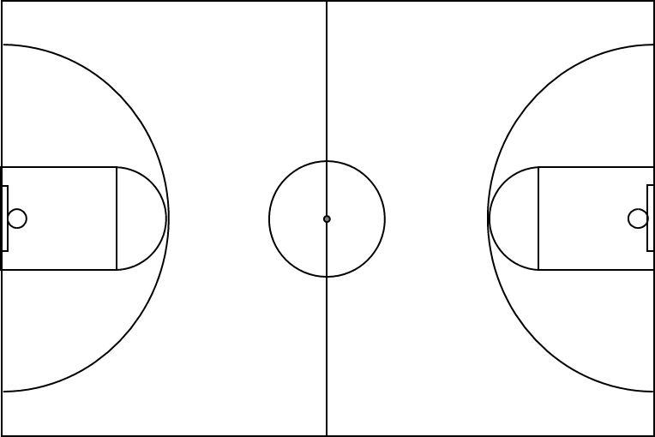
Running Score |  |  |  |  |  |  |  |  |  |  | Shot Chart
1 | 2 | 3 | 4 | 5 | 6 | 7 | 8 | 9 | 10
11 | 12 | 13 | 14 | 15 | 16 | 17 | 18 | 19 | 20
21 | 22 | 23 | 24 | 25 | 26 | 27 | 28 | 29 | 30
31 | 32 | 33 | 34 | 35 | 36 | 37 | 38 | 39 | 40
41 | 42 | 43 | 44 | 45 | 46 | 47 | 48 | 49 | 50
51 | 52 | 53 | 54 | 55 | 56 | 57 | 58 | 59 | 60
61 | 62 | 63 | 64 | 65 | 66 | 67 | 68 | 69 | 70
71 | 72 | 73 | 74 | 75 | 76 | 77 | 78 | 79 | 80
81 | 82 | 83 | 84 | 85 | 86 | 87 | 88 | 89 | 90
91 | 92 | 93 | 94 | 95 | 96 | 97 | 98 | 99 | 100

